Breakdown
Returns | 7.7%
Volatility | 903.6%
Ticker | Weights |  | BRK-B | FI | HCA | ANET | ANSS | AZPN | GWRE | IBKR | META | TRI | COST | MSFT | WMT | CMG | AMZN | CAVA | NVDA | TSLA | AAPL | GOOG | EAT | MSTR | INTC
BRK-B | 0.3% | BRK-B | 2.3104820752 | 0.30716497529 | 0.23777045212 | 0.15651799268 | 0.12952310319 | 0.1847288553 | 0.062346582969 | 0.14395588689 | 0.18545586225 | 0.18480711606 | 0.23473196669 | 0.16482193856 | 0.16719375085 | 0.12122781124 | 0.17131889296 | -0.2346400948 | 0.13289473731 | 0.051011916365 | 0.15876804753 | 0.25940719816 | 0.12873293263 | 0.044023147465 | 0.14141673983
FI | 5.8% | FI | 0.30716497529 | 2.3438063297 | 0.20589641197 | 0.17961087489 | 0.25856560326 | 0.26356242171 | 0.30077662557 | 0.230113298 | 0.28319692027 | 0.32258309705 | 0.21770532245 | 0.37259687173 | 0.24924499118 | 0.15899526331 | 0.19638544288 | 0.26969032469 | 0.24410042556 | 0.0088219121707 | 0.24409824268 | 0.39269876814 | 0.20109876494 | 0.24399130838 | 0.33531321463
HCA | 2.2% | HCA | 0.23777045212 | 0.20589641197 | 2.5002433916 | 0.29382599909 | 0.13916830948 | 0.31408339037 | 0.20257107685 | 0.14439748269 | 0.098820031094 | 0.13672475035 | 0.23655205832 | 0.18486785586 | 0.033548306735 | 0.20897541783 | 0.11859418887 | -0.24221557859 | 0.16095253187 | -0.0043378972747 | 0.28359900069 | 0.15135260458 | 0.12574298651 | 0.16471512167 | 0.16232087925
ANET | 4.8% | ANET | 0.15651799268 | 0.17961087489 | 0.29382599909 | 2.4620958707 | 0.47266353128 | 0.25114607043 | 0.30973796895 | 0.17839087144 | 0.42164693491 | 0.16669633669 | 0.1500362004 | 0.31227850408 | 0.074848319311 | 0.26973834004 | 0.41872607755 | 0.37427269988 | 0.27670692647 | 0.098291674093 | 0.51068992652 | 0.26175774369 | 0.062270019822 | 0.068132263447 | 0.29949269595
ANSS | 7.1% | ANSS | 0.12952310319 | 0.25856560326 | 0.13916830948 | 0.47266353128 | 2.3161668306 | 0.2966988371 | 0.39326971417 | 0.10931952587 | 0.34342056992 | 0.14413803517 | 0.19813368779 | 0.38958548591 | 0.17992846552 | 0.1777063452 | 0.32137707543 | 0.067833853099 | 0.37108244533 | 0.30653651808 | 0.33090749865 | 0.35801029024 | 0.19018778703 | 0.31214533188 | 0.32307638166
AZPN | 4.5% | AZPN | 0.1847288553 | 0.26356242171 | 0.31408339037 | 0.25114607043 | 0.2966988371 | 2.1971684187 | 0.33252598853 | 0.11324555417 | 0.011934120355 | 0.19125061844 | 0.1689056409 | 0.19628818173 | 0.17931436441 | 0.080873375909 | 0.23304302412 | -0.084290952644 | 0.15462557053 | 0.15911503253 | 0.20989761834 | 0.36467026637 | 0.073156987213 | 0.18040596799 | 0.22833769519
GWRE | 6.1% | GWRE | 0.062346582969 | 0.30077662557 | 0.20257107685 | 0.30973796895 | 0.39326971417 | 0.33252598853 | 2.3046149536 | 0.12510899005 | 0.29607310607 | 0.25874518996 | 0.24570970069 | 0.5122888534 | 0.19825331754 | 0.20441551648 | 0.43643243504 | 0.056015105334 | 0.37772978897 | 0.019686691079 | 0.18007097484 | 0.47398120851 | 0.020097689503 | 0.23577321471 | 0.15756542078
IBKR | 2.9% | IBKR | 0.14395588689 | 0.230113298 | 0.14439748269 | 0.17839087144 | 0.10931952587 | 0.11324555417 | 0.12510899005 | 1.9639908344 | 0.040195099697 | 0.058890677015 | 0.15156131168 | 0.17170718059 | 0.17070282327 | 0.10874473305 | 0.21655378079 | -0.60459887811 | 0.16349912264 | 0.059605857183 | 0.2289221786 | 0.33198245563 | 0.19335368589 | 0.17517164939 | 0.11542175993
META | 1.8% | META | 0.18545586225 | 0.28319692027 | 0.098820031094 | 0.42164693491 | 0.34342056992 | 0.011934120355 | 0.29607310607 | 0.040195099697 | 2.634711527 | 0.24444482587 | 0.17310810285 | 0.66598729754 | 0.11164986414 | 0.26605448654 | 0.55732033356 | -0.052322964711 | 0.38834613718 | 0.20027942122 | 0.41940628042 | 0.62985244527 | 0.11914319746 | 0.12534759159 | 0.40980699442
TRI | 12.0% | TRI | 0.18480711606 | 0.32258309705 | 0.13672475035 | 0.16669633669 | 0.14413803517 | 0.19125061844 | 0.25874518996 | 0.058890677015 | 0.24444482587 | 2.1467677776 | 0.15209010568 | 0.27553042607 | 0.12110855277 | 0.056798808524 | 0.19368032515 | -0.8114426294 | 0.26843512285 | 0.036399016301 | 0.21588271225 | 0.27677237194 | 0.26244411449 | 0.29089133325 | 0.2231996931
COST | 7.0% | COST | 0.23473196669 | 0.21770532245 | 0.23655205832 | 0.1500362004 | 0.19813368779 | 0.1689056409 | 0.24570970069 | 0.15156131168 | 0.17310810285 | 0.15209010568 | 2.1967508062 | 0.15814321501 | 0.4071282208 | 0.21114926531 | 0.23097472546 | -0.81073663289 | 0.19272715024 | 0.20142830848 | 0.12768628586 | 0.31352418737 | 0.16192970944 | 0.19949731419 | 0.15429252396
MSFT | 1.0% | MSFT | 0.16482193856 | 0.37259687173 | 0.18486785586 | 0.31227850408 | 0.38958548591 | 0.19628818173 | 0.5122888534 | 0.17170718059 | 0.66598729754 | 0.27553042607 | 0.15814321501 | 2.447227301 | 0.18005649212 | 0.24126128536 | 0.3813957466 | 0.053275495456 | 0.33514971868 | 0.23663070792 | 0.48246978334 | 0.71162903146 | 0.23643955607 | 0.26065246121 | 0.36386202689
WMT | 0.7% | WMT | 0.16719375085 | 0.24924499118 | 0.033548306735 | 0.074848319311 | 0.17992846552 | 0.17931436441 | 0.19825331754 | 0.17070282327 | 0.11164986414 | 0.12110855277 | 0.4071282208 | 0.18005649212 | 2.2591475023 | 0.15709809365 | 0.21914812607 | 0.043658495375 | 0.15103276227 | -0.013689405472 | 0.2154821852 | 0.27194103269 | 0.13198243569 | 0.039918344494 | 0.13218760543
CMG | 1.5% | CMG | 0.12122781124 | 0.15899526331 | 0.20897541783 | 0.26973834004 | 0.1777063452 | 0.080873375909 | 0.20441551648 | 0.10874473305 | 0.26605448654 | 0.056798808524 | 0.21114926531 | 0.24126128536 | 0.15709809365 | 2.409025219 | 0.33707071149 | 0.6659539548 | 0.19810930333 | 0.16311999602 | 0.33383886808 | 0.31849017935 | 0.2386383796 | 0.081096217969 | 0.18378726881
AMZN | 8.5% | AMZN | 0.17131889296 | 0.19638544288 | 0.11859418887 | 0.41872607755 | 0.32137707543 | 0.23304302412 | 0.43643243504 | 0.21655378079 | 0.55732033356 | 0.19368032515 | 0.23097472546 | 0.3813957466 | 0.21914812607 | 0.33707071149 | 2.4837323022 | 0.57725937417 | 0.27810869296 | 0.13017226014 | 0.33646438914 | 0.56028164146 | 0.080204524627 | 0.19685838171 | 0.2979256685
CAVA | 11.1% | CAVA | -0.2346400948 | 0.26969032469 | -0.24221557859 | 0.37427269988 | 0.067833853099 | -0.084290952644 | 0.056015105334 | -0.60459887811 | -0.052322964711 | -0.8114426294 | -0.81073663289 | 0.053275495456 | 0.043658495375 | 0.6659539548 | 0.57725937417 | 2.829206586 | 0.010514518625 | 0.36166562813 | 0.37153805525 | -0.15121407006 | 1.0464523648 | 0.150281609 | -0.016136408864
NVDA | 4.3% | NVDA | 0.13289473731 | 0.24410042556 | 0.16095253187 | 0.27670692647 | 0.37108244533 | 0.15462557053 | 0.37772978897 | 0.16349912264 | 0.38834613718 | 0.26843512285 | 0.19272715024 | 0.33514971868 | 0.15103276227 | 0.19810930333 | 0.27810869296 | 0.010514518625 | 2.3504154008 | 0.22034692142 | 0.27571167559 | 0.4658910787 | 0.20506992257 | 0.2901533601 | 0.35990057088
TSLA | 9.1% | TSLA | 0.051011916365 | 0.0088219121707 | -0.0043378972747 | 0.098291674093 | 0.30653651808 | 0.15911503253 | 0.019686691079 | 0.059605857183 | 0.20027942122 | 0.036399016301 | 0.20142830848 | 0.23663070792 | -0.013689405472 | 0.16311999602 | 0.13017226014 | 0.36166562813 | 0.22034692142 | 2.5926134988 | -0.020820791657 | 0.20178811308 | 0.10258483684 | 0.30196858963 | 0.061675163683
AAPL | 1.1% | AAPL | 0.15876804753 | 0.24409824268 | 0.28359900069 | 0.51068992652 | 0.33090749865 | 0.20989761834 | 0.18007097484 | 0.2289221786 | 0.41940628042 | 0.21588271225 | 0.12768628586 | 0.48246978334 | 0.2154821852 | 0.33383886808 | 0.33646438914 | 0.37153805525 | 0.27571167559 | -0.020820791657 | 2.4079268038 | 0.50744622446 | 0.17727119027 | 0.15423420381 | 0.37726439214
GOOG | 0.5% | GOOG | 0.25940719816 | 0.39269876814 | 0.15135260458 | 0.26175774369 | 0.35801029024 | 0.36467026637 | 0.47398120851 | 0.33198245563 | 0.62985244527 | 0.27677237194 | 0.31352418737 | 0.71162903146 | 0.27194103269 | 0.31849017935 | 0.56028164146 | -0.15121407006 | 0.4658910787 | 0.20178811308 | 0.50744622446 | 2.8117818115 | 0.23283954346 | 0.32416421456 | 0.36465958921
EAT | 5.4% | EAT | 0.12873293263 | 0.20109876494 | 0.12574298651 | 0.062270019822 | 0.19018778703 | 0.073156987213 | 0.020097689503 | 0.19335368589 | 0.11914319746 | 0.26244411449 | 0.16192970944 | 0.23643955607 | 0.13198243569 | 0.2386383796 | 0.080204524627 | 1.0464523648 | 0.20506992257 | 0.10258483684 | 0.17727119027 | 0.23283954346 | 2.2163087375 | 0.1352083196 | 0.17920958863
MSTR | 1.7% | MSTR | 0.044023147465 | 0.24399130838 | 0.16471512167 | 0.068132263447 | 0.31214533188 | 0.18040596799 | 0.23577321471 | 0.17517164939 | 0.12534759159 | 0.29089133325 | 0.19949731419 | 0.26065246121 | 0.039918344494 | 0.081096217969 | 0.19685838171 | 0.150281609 | 0.2901533601 | 0.30196858963 | 0.15423420381 | 0.32416421456 | 0.1352083196 | 2.5174439995 | 0.23820238459
INTC | 0.5% | INTC | 0.14141673983 | 0.33531321463 | 0.16232087925 | 0.29949269595 | 0.32307638166 | 0.22833769519 | 0.15756542078 | 0.11542175993 | 0.40980699442 | 0.2231996931 | 0.15429252396 | 0.36386202689 | 0.13218760543 | 0.18378726881 | 0.2979256685 | -0.016136408864 | 0.35990057088 | 0.061675163683 | 0.37726439214 | 0.36465958921 | 0.17920958863 | 0.23820238459 | 2.0608375827

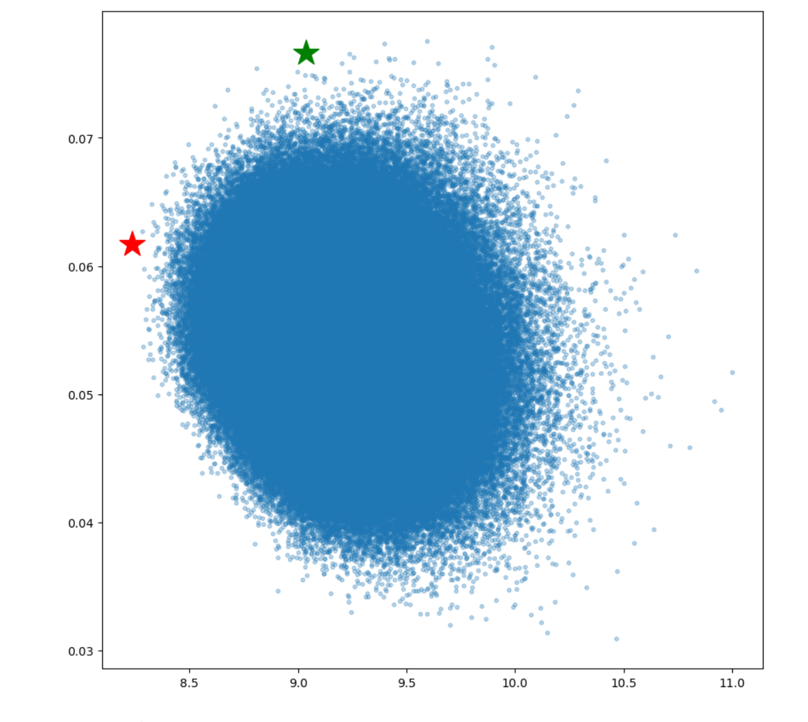
Confidence Interval |  | Efficient Frontier
17% | -1%

